National
National score

 | Statistics
 | REGR factor score 1 for analysis 1
 | N | Valid | 32038
 |  | Missing | 0
 | Mean |  | -0.0808307
 | Median |  | -0.3764320
 | Std. Deviation |  | 0.89391772
 | Minimum |  | -0.62005
 | Maximum |  | 5.79500
 | Percentiles | 20 | -0.5062682
 |  | 40 | -0.4338042
 |  | 60 | -0.3200178
 |  | 80 | -0.1158067

histrogram

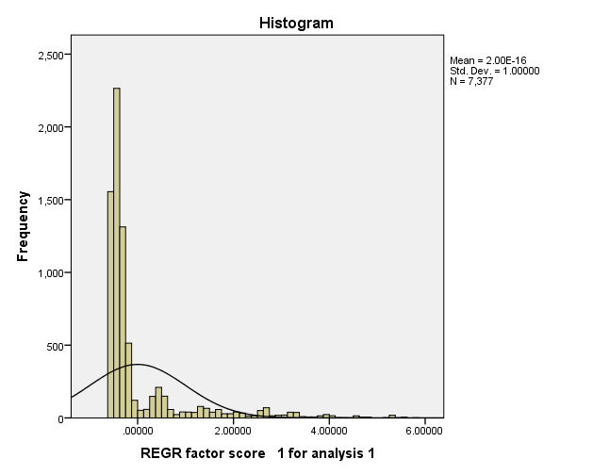

Report
Mean
 | Wealth Index Quintiles
 | 1.00 | 2.00 | 3.00 | 4.00 | 5.00 | Total
Has electricity | 0.00 | 0.00 | 0.00 | 0.00 | 0.33 | 0.07
Has radio | 0.00 | 0.60 | 0.72 | 0.81 | 0.85 | 0.62
Has television | 0.00 | 0.00 | 0.00 | 0.00 | 0.22 | 0.04
Has refrigerator | 0.00 | 0.00 | 0.00 | 0.00 | 0.06 | 0.01
Has bicycle | 0.03 | 0.11 | 0.10 | 0.23 | 0.23 | 0.14
Has motorcycle/scooter | 0.00 | 0.00 | 0.00 | 0.00 | 0.05 | 0.01
Has car/truck | 0.00 | 0.00 | 0.00 | 0.00 | 0.05 | 0.01
if gets water piped into home (+1 bottle water) | 0.00 | 0.00 | 0.00 | 0.00 | 0.02 | 0.00
if gets water piped into yard | 0.00 | 0.00 | 0.00 | 0.00 | 0.16 | 0.03
if gets water from piped public source | 0.00 | 0.23 | 0.44 | 0.45 | 0.47 | 0.33
if gets water from an unprotected well | 0.26 | 0.18 | 0.14 | 0.25 | 0.12 | 0.18
if gets water from a protected well | 0.09 | 0.05 | 0.04 | 0.07 | 0.04 | 0.06
if gets water from a spring (+8rain) | 0.42 | 0.37 | 0.27 | 0.09 | 0.12 | 0.26
if gets water from a surface source | 0.23 | 0.17 | 0.10 | 0.13 | 0.06 | 0.14
if uses pvt flush toilet | 0.00 | 0.00 | 0.00 | 0.00 | 0.05 | 0.01
if uses shared flush toilet | 0.00 | 0.00 | 0.00 | 0.00 | 0.00 | 0.00
if uses pvt trad latrine | 0.00 | 0.10 | 0.44 | 0.81 | 0.47 | 0.36
if uses shared trad latrine | 0.00 | 0.00 | 0.00 | 0.11 | 0.16 | 0.05
if uses pvt vip latrine | 0.91 | 0.80 | 0.39 | 0.02 | 0.21 | 0.47
if uses shared vip latrine | 0.00 | 0.06 | 0.11 | 0.05 | 0.07 | 0.06
if uses bush for latrine | 0.09 | 0.02 | 0.02 | 0.00 | 0.00 | 0.02
if floors are made of earth | 1.00 | 1.00 | 1.00 | 0.99 | 0.16 | 0.83
if floors are made of dung | 0.00 | 0.00 | 0.00 | 0.01 | 0.03 | 0.01
if floors are made of cement (+9 wood planks) | 0.00 | 0.00 | 0.00 | 0.00 | 0.77 | 0.15
if floors are made of carpet (+1 parquet +18 ceramic tile) | 0.00 | 0.00 | 0.00 | 0.00 | 0.03 | 0.01
if uses coal for cooking fuel | 0.00 | 0.00 | 0.00 | 0.00 | 0.03 | 0.01
if uses charcoal for cooking fuel | 0.00 | 0.00 | 0.00 | 0.00 | 0.39 | 0.08
if uses wood for cooking fuel | 1.00 | 1.00 | 1.00 | 1.00 | 0.55 | 0.91
if uses dung for cooking | 0.00 | 0.00 | 0.00 | 0.00 | 0.01 | 0.00
if no food cooked in hh | 0.00 | 0.00 | 0.00 | 0.00 | 0.01 | 0.00

